Dashboard
Montgomery Fleet Equipment Inventory
Total Equipment Count
 | Total
CUV | 2
Heavy Duty | 1
Medium Duty | 1
Off Road VehicleEquipment | 2
Pick Up Trucks | 2
Public Safety Sedan | 1
Public Safety SUV | 1
Public Safety Heavy Duty | 1
Public Safety Van | 1
Sedan | 5
SUV | 4
Van | 2
Total Equipment Class
 | Total
CUV | 2
Heavy Duty | 1
Medium Duty | 1
Off Road VehicleEquipment | 2
Pick Up Trucks | 2
Public Safety Sedan | 1
Public Safety SUV | 1
Public Safety Heavy Duty | 1
Public Safety Van | 1
Sedan | 5
SUV | 4
Van | 2

Total Equipment Count
Total Equipment Count
Row Labels | Count of Equipment Count | Row Labels | Count of Equipment Count
CUV | 2 | CUV | 2
Heavy Duty | 1 | Heavy Duty | 1
Medium Duty | 1 | Medium Duty | 1
Off Road VehicleEquipment | 2 | Off Road VehicleEquipment | 2
Pick Up Trucks | 2 | Pick Up Trucks | 2
Public Safety Sedan | 1 | Public Safety Sedan | 1
Public Safety SUV | 1 | Public Safety SUV | 1
Public Safety Heavy Duty | 1 | Public Safety Heavy Duty | 1
Public Safety Van | 1 | Public Safety Van | 1
Sedan | 5 | Sedan | 5
SUV | 4 | SUV | 4
Van | 2 | Van | 2
Grand Total | 23 | Grand Total | 23

Pivot Analysis using Slicer 2
Model Quantity through Department
 | Fire and Rescue | General Services | Environmental Protection | Correction and Rehabilitation | Health and Human Services | County Executives Office | Community Engagement Cluster | Circuit Court | Economic Development
CUV |  | 5 | 1 | 1 | 5
Public Safety CUV | 4
Public Safety SUV | 27 |  |  | 2 | 1 | 3
SUV | 6 | 21 | 18 | 3 |  |  | 2 | 1 | 1

Model Quantity through Departme
Sum of Equipment Count |  |  |  |  |  |  |  |  |  |  | Problem Statement:
 | Fire and Rescue | General Services | Environmental Protection | Correction and Rehabilitation | Health and Human Services | County Executives Office | Community Engagement Cluster | Circuit Court | Economic Development | Grand Total
CUV |  | 5 | 1 | 1 | 5 |  |  |  |  | 12 | 2. Which equipment class is more popular as >30 in different departments?
Public Safety CUV | 4 |  |  |  |  |  |  |  |  | 4 | Pick Up Trucks
Public Safety SUV | 27 |  |  | 2 | 1 | 3 |  |  |  | 33 | Off Road VehicleEquipment
SUV | 6 | 21 | 18 | 3 |  |  | 2 | 1 | 1 | 52 | Van
Grand Total | 37 | 26 | 19 | 6 | 6 | 3 | 2 | 1 | 1 | 101

Model Quantity through Department
 | Fire and Rescue | General Services | Environmental Protection | Correction and Rehabilitation | Health and Human Services | County Executives Office | Community Engagement Cluster | Circuit Court | Economic Development
CUV |  | 5 | 1 | 1 | 5
Public Safety CUV | 4
Public Safety SUV | 27 |  |  | 2 | 1 | 3
SUV | 6 | 21 | 18 | 3 |  |  | 2 | 1 | 1

Metadata
Data Cleaning:

Save the CSV file as an XLSX file: Change the ‘Viewing’ in the ToolTip to ‘Editing’inorder to save the file as an XLSX file. The file is converted when you click ‘Convert’ in the prompt.
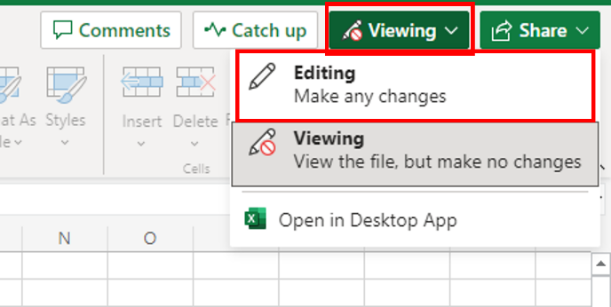
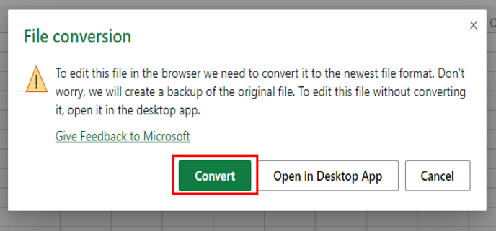

1. Column widths: Sort out the widths of all columns so that the data is clearly visible in all cells.
2. Empty rows: Use the Filter feature to look for blanks and remove all empty rows from the data.
3. Duplicate records: Use either the Conditional Formatting or Remove Duplicates feature to look for and remove any duplicated records from the data.
4. Spelling: The original source file data has not been checked for errors in the spelling. Check for spelling mistakes in the data and fix them.
5. Whitespace: Use the Find and Replace feature to remove all double-spaces from the data.
6. Department names: When the data was converted from its data source, the department names (see correct list below) didn’t import correctly and they are now split over two columns in the data. Use Flash Fill to reduce the department names to just one column, and then remove any unnecessary columns.

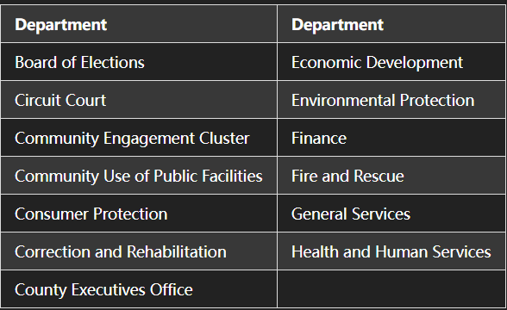

Data Analysis:

1. Format the data as a table: Use the Format as Table option to format the data as a table.
2. Use AutoSum to calculate values: Use AutoSum to find the following values for column ‘C’ and record each of the values:

SUM
AVERAGE
MIN
MAX
COUNT
3. Create a Pivot Table: Use the PivotTable feature to create a pivot table that displays the Department field in the Rows section, and the Equipment Count in the Values section, so that the pivot table displays the sum of equipment count by department.
4. Sort the pivot table data: Use the Sort By Value setting on the pivot table to sort it in descending order by the sum of equipment count.
5. Make one more pivot tables exactly the same as task 3: Follow the same steps you performed in Tasks 3 and 4 to create two more identical pivot tables so that you end up with 2 worksheets that contain identical pivot tables.
6. Analyze data in the pivot table: Use the PivotTable Fields pane to manipulate and analyze data in the two copied pivot table as follows:

In pivot table 2 add the Equipment Class field below the Department field so that the different vehicle types appear under each department with their respective counts.
Collapse all fields except the top one - General Services

